Validation
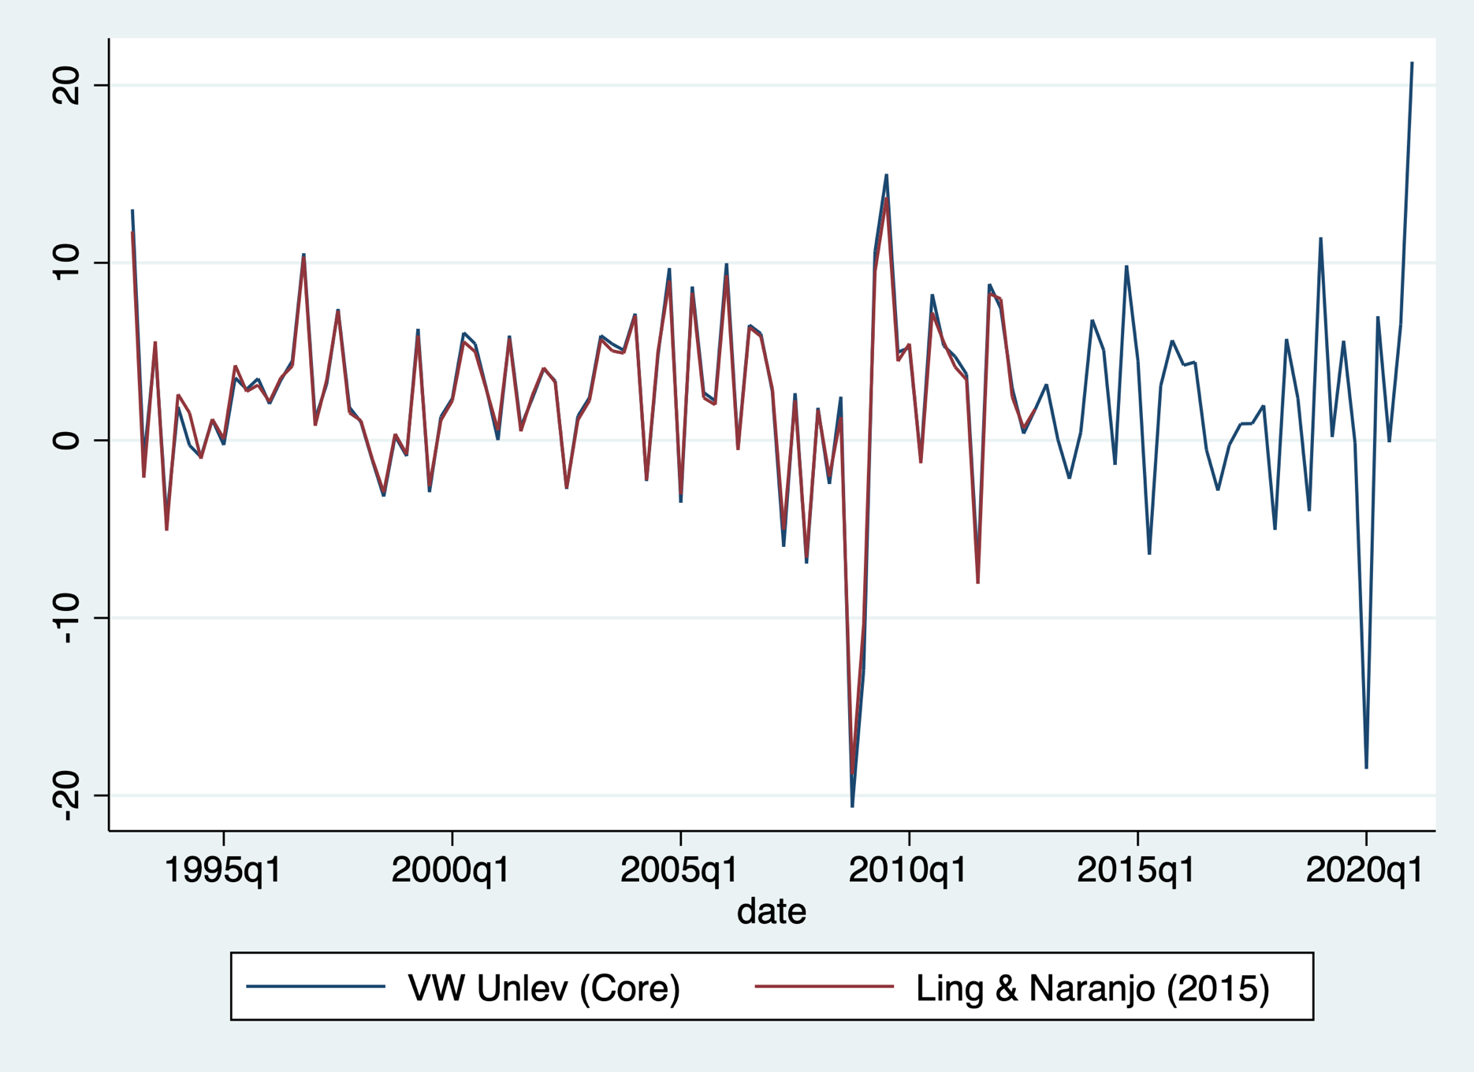
*Figure: Validating the Value-Weighted, Unlevered Return Index (Core) Using Data from Ling and Naranjo (2015).

